1. Title Page
Instacart Grocery Basket Analysis

Project Name: 4.10 Instacart Grocery Basket Analysis
Date: 8/17/2022
Analyst Name: Jonathan Fava

Contents:
Population Flow
Consistency checks
Wrangling steps
Column derivations
Visualizations
Recommendations

2. Population Flow
Title page

Population flow

Exclusion flag
Condition: max_order < 5
Obervations to be removed: 1440295
Final total count of order_products_all: 30964564

Orders_products_combined
Orders_products_merged
Orders_products_all

Total: 32404859
Total: 32640698
Total: 30964564

1.) The grey boxes in the first row of the population flow represent the original data sets as they were when you downloaded them. In the Total fields you need to add the count of the rows when you imported the data set into Jupyter.
2.) The second row of boxes (coloured) represents the data sets after you manipulated them, e.g., removed missing values and duplicates. In the Total fields you need to add the count of the rows after conducting these operations. This offers a visual oveview of how the data flows throughout the data consistency checks.
3.) The third row, where also the arrows are coloured, represents the merges you performed between the datasets. In the Total fields you need to add the count of the rows in the merged datasets, so that you end up with the final dataset (in the red box). Keep in mind the final dataset should be without exclusions (based on the exclusion flag).

3. Consistency checks
 |  |  |  | Title page
Consistency checks

Dataset | Missing values | Missing values treatment | Duplicates
orders | days_since_prior order: 206209 | Changed to NaN
 |  |  | None

products | product_name: 16 | No change, not essential
 | prices: 2 invalid values | Changed to NaN
 |  |  | 5 duplicates found and removed

orders_products_prior | None |  | None

customers | first_name: 11259 | No change, not essential
 |  |  | None

4. Wrangling steps
 |  |  |  | Title page
Wrangling steps

Columns dropped | Columns renamed | Columns' type changed | Comment/Reason
eval_set |  |  | Irrelevant
 | orders_dow > orders_day_of_week |  | Easier to understand
 |  | order_id to string | To optimize calculations
 |  | department_id & name | Transposed and corrected header
 |  | user_id to string | To optimize calculations
 | order_hour_of_day > time_of_order |  | Shorten and ease of understanding
 |  | time_of_order to int | To optimize calculations
 | First Name > first_name |  | For consistency
 | Surnam > last_name |  | For consistency
 | Gender > gender |  | For consistency
 | STATE > state |  | For consistency
 | Age > age |  | For consistency
 | n_dependants > #_dependants |  | For consistency
 | fam_status > marital_status |  | For consistency
_merge |  |  | Irrelevant
Unnamed: 0 |  |  | Irrelevant
first_name |  |  | PII
last_name |  |  | PII

5. Column derivations
 |  |  |  | Title page

Column derivations and aggregations

In this tab you should add tables below that the frequences of flags/label variables that you produced after deriving them. NB: don't do this for continuous variables, only for flags.
Dataset | New column | Column/s it was derived from | Conditions
Orders | returning_customer | days_since_prior_order | If the days_since_prior_order column shows a null value then the customer is new
df_ords_prods | price_range_loc | prices | Products prices that are <= 5: 'Low range product', >5 & <=15: 'Mid range product, >15: ' High tange product'
df_ords_prods | busiest_day | order_day_of_week | Orders placed on Sunday(0): 'Busiest day', Wednesday(4): ' Least busy', all other days: 'regularly busy'
df_ords_prods | busiest_days | order_day_of_week | Orders placed on days 0,1: 'Busiest days', days 3,4,5,6: ' Slowest days', day 2: 'Regularly busy'
df_ords_prods | busiest_period_of_day | time_of_order | Orders placed during the hours >=10 & <=16: 'Most Orders', >=2 & <=5: 'Fewest Orders', all other times: 'Avergae orders
ords_prods_merge | max_order | user_id & order_number | Populate the maximum order number for each user_id
ords_prods_merge | loyalty_flag | max_order | If the maximum number of orders for a customer is >40: 'Loyal Customer', <=40 & >10: 'Regular customer', <=10: 'New customer'
ords_prods_merge | avg_spent | user_id & prices | Populate the mean order amount for each user_id
ords_prods_merge | spending_flag | avg_spent | If a customers average amount spent is < 10: 'Low spender', >=10: 'High spender'
ords_prods_merge | med_ord_freq | user_id & days_since_prior_order | Populate the median days since a customer's piror order for each user_id
ords_prods_merge | frequency_flag | med_ord_freq | If a customer's median days since prior order is >20: 'Infrequent customer', <=20 & >10: 'Regular customer', <=10: 'Frequent customer'
df_opc | region | state | Assign each customer a region based on where their respective states are geographically: 'Northeast', 'Midwest', 'South', 'West'
df_opc | activity_flag | max_order | if a customer has <5 order: 'Low activity', if >=5: 'High activity'
df_opc | age_profile | age | Customers whose age is <30: 'Young adult', >=30 & <40: ' Adult', >=40 & <60: 'Middle aged', >=60: 'Senior'
df_opc | income_profile | income | Customers who make <=$50k: 'low', >$50k& <=$100k: 'Middle', >$100k & <=$250k: 'Upper', >$250k: 'High'
df_merge | department | department df | Merged department df with main df to add column with the department names.
df_merge | has_baby | department | If a customer has purchased baby products
df_merge | has_pets | department | If a customer has purchased pet products
df_merge | alcohol_consumer | department | If a customer has purchased alcoholic products
df_merge | family_size | #_dependants | If a customer's number of dependants is <1: 'single', >=1 & <=2: 'small', >=3 &<=4: 'medium', >4: 'large'

6. Visualizations & Questions
 |  | Title page

Visualizations

In this tab you should include all the visualizations from Exercises 4.9 and 4.10, alongside the questions from the project brief that they answer. Include any commentary on the relationship between different variables.

Key Question 1
The sales team needs to know what the busiest days of the week and hours of the day are (i.e., the days and times with the most orders) in order to schedule ads at times when there are fewer orders.
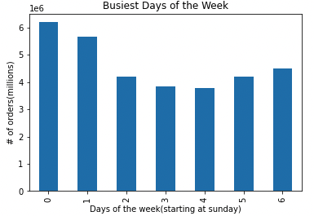
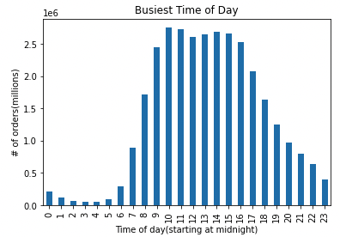
 | Recommendation:
 | To focus advertising efforts in order to increase sales on the slowest days of the week(Tuesday, Wednesday & Thursday) from the hours of 7am to 9pm.

Key Question 2
They also want to know whether there are particular times of the day when people spend the most money, as this might inform the type of products they advertise at these times.
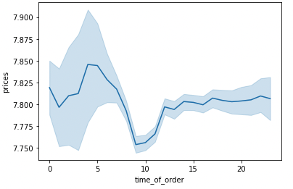
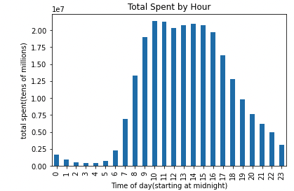
 | Recommendation:
 | Even though total spent is the highest from the hours of 10am to 5pm the price of the items sold takes a dip. Advertising of higher priced items should run during these times to steer customers towards purchasing them and increase cart totals.

Key Question 3
Instacart has a lot of products with different price tags. Marketing and sales want to use simpler price range groupings to help direct their efforts.
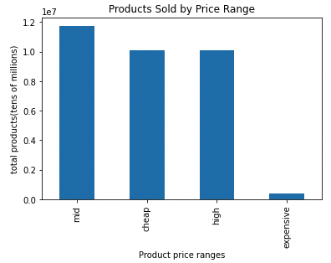
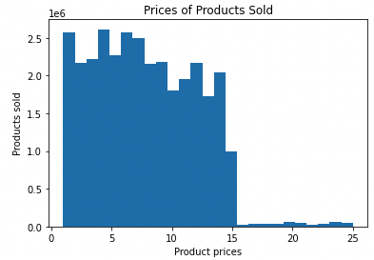
 | Recommendation:
 | ~ Product price range categories:
 | Cheap = $5 or less
 | Mid = Greater than $5 to $10
 | High = Greater than $10 to $15
 | Expensive = Greater than $15
 | ~ Mid range products are the most popular with cheap and high products close behind. Sales numbers fall of dramatically for products in the expensive category.

 | ~ Continue promoting cheap to high products, but additional marketing may be needed to increase sales of expensive range products.

Key Question 4
Are there certain types of products that are more popular than others? The marketing and sales teams want to know which departments have the highest frequency of product orders.

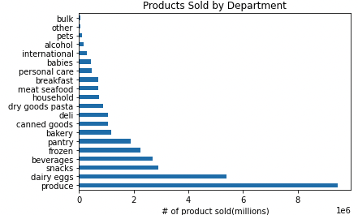
 | Recommendation:
 | Produce, dairy and eggs are by far the most popular departments. Marketing team should focus efforts on other departments to increase sales in the less popular departments.

Key Question 5
The marketing and sales teams are particularly interested in the different types of customers in their system and how their ordering behaviors differ. For example:

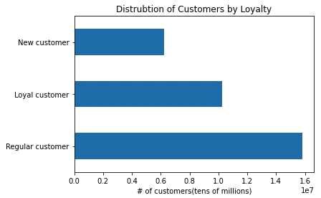
A. What’s the distribution among users in regards to their brand loyalty (i.e., how often do they return to Instacart)?
 | Recommendation:
 | ~ Customer loyalty category:
 | Loyal customer = More than 40 orders
 | Regular customer = Less than 40 orders but more than 10 orders
 | New customer = 10 or less orders
 | ~ Focus marketing efforts to convert regular customers to loyal customers and new customers to regular customers.

B. Are there differences in ordering habits based on a customer’s loyalty status?
 | Recommendation:
 | ~ Avg price of items purchased, avg time of order and avg order day of the week are consistent across the different loyalty categories. While medians days since prior order and avg spent differ between all of the loyalty categories.
 | ~ Marketing should focus on increasing the amount spent for the loyal customers and reducing the amount of days between orders for the new customers.

C. Are there differences in ordering habits based on a customer’s region?
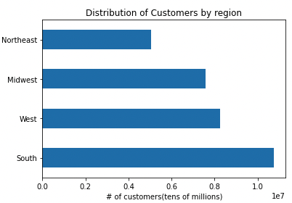

 | Recommendation:
 | ~ Although the ordering habits of the differing regions are fairly the same the amount of customers in each region differs by hundreds of thousands
 | ~ Marketing should focus on gaining customers in the regions with the fewest such as the Northeast and Midwest.

D. Is there a connection between age and family status in terms of Loyalty?
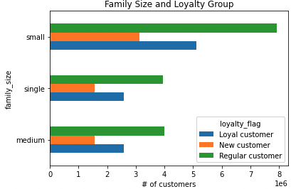
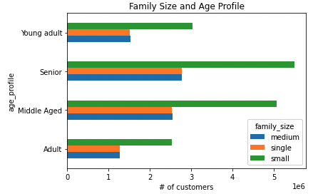
 | Recommendation:
 | ~ Seniors with a small family size take up the largest proportion of all the loyalty groups and adults who are single or have a small family take up the smallest proportion of the loyalty groups.
 | ~ Efforts should be made to bring in more single and small family adults.

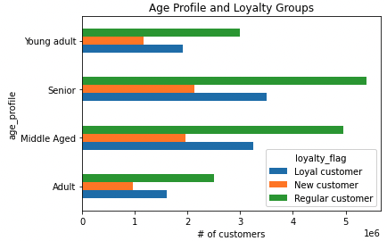

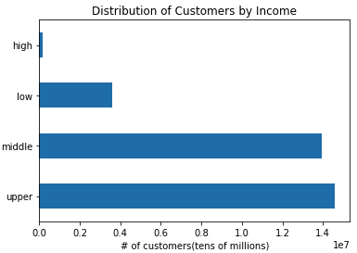
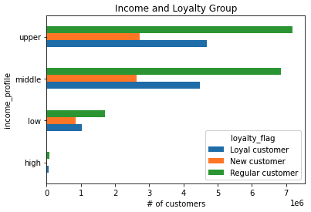
E. What different classifications of income does the demographic information suggest? And what are their ordering habits?
 | Recommendation:
 | ~ Income groups:
 | Low = $50k or less
 | Middle = $50k to $100k
 | Upper = $100k to $250k
 | High = More than $250k
 | ~ The Majority of the customers fall within the upper and middle income groups and are mostly regular and loyal customers. The ordering habits between all of the income groups are fairly similar, except that the avg spent for the upper and high groups is more than the middle and low groups.
 | ~ The marketing team should focus efforts on customers in the upper income groups because they make up the largest group of the customer base and they spend on average significantly more than the middle income group(which is the second largest customer group).

7. Recommendations
 |  | Title page

Recommendations

In this tab you should include any recommendations you would made to Instcart in terms of their marketing strategy based on the questions posed in the brief. Every key question has been covered in the Tasks of the Exercises - here you need to add an item - a visualisation or table/crosstable that is showing the answer in the data, acompanied by a comment from you. Please, list the questions below and add the answer underneath.

Question | Answer
Key Question 1 | Refer to tab 6. Visualizations
The sales team needs to know what the busiest days of the week and hours of the day are (i.e., the days and times with the most orders) in order to schedule ads at times when there are fewer orders.

Key Question 2 | Refer to tab 6. Visualizations
They also want to know whether there are particular times of the day when people spend the most money, as this might inform the type of products they advertise at these times.

Key Question 3 | Refer to tab 6. Visualizations
Instacart has a lot of products with different price tags. Marketing and sales want to use simpler price range groupings to help direct their efforts.

Key Question 4 | Refer to tab 6. Visualizations
Are there certain types of products that are more popular than others? The marketing and sales teams want to know which departments have the highest frequency of product orders.

Key Question 5 | Refer to tab 6. Visualizations
The marketing and sales teams are particularly interested in the different types of customers in their system and how their ordering behaviors differ. For example:

A. What’s the distribution among users in regards to their brand loyalty (i.e., how often do they return to Instacart)?

B. Are there differences in ordering habits based on a customer’s loyalty status?

C. Are there differences in ordering habits based on a customer’s region?

D. Is there a connection between age and family status in terms of loyalty?

E. What different classifications of income does the demographic information suggest?

